PLAYMOBIL
PLAYMOBIL
PHOTOS | REF | DESCRIPTION | PACKING | QTY | RETAIL | TOTAL | EAN | LINK
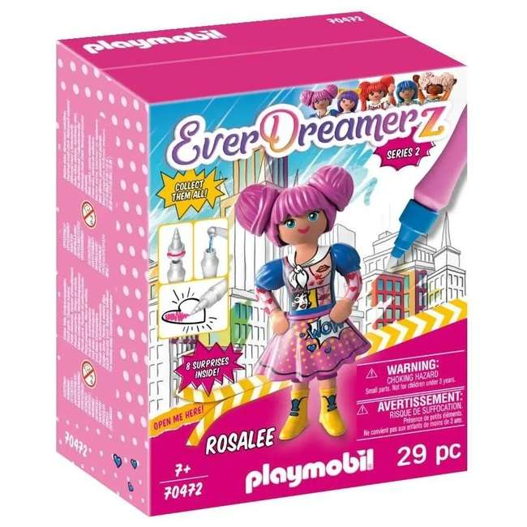 | P10336 | Playmobil Everdreamerz Display Serie 2 assorti 14x18cm | 15 | 1,155 | 25.25 € | 29,163.75 € | 4008789704726 | https://www.e.leclerc/fp/rosalee-le-monde-de-la-bd-4008789704726?srsltid=AfmBOopa2XpBYYgT58ltMIOJcESUpojGozgPT9feM3R4ohAuXmOr-qm7
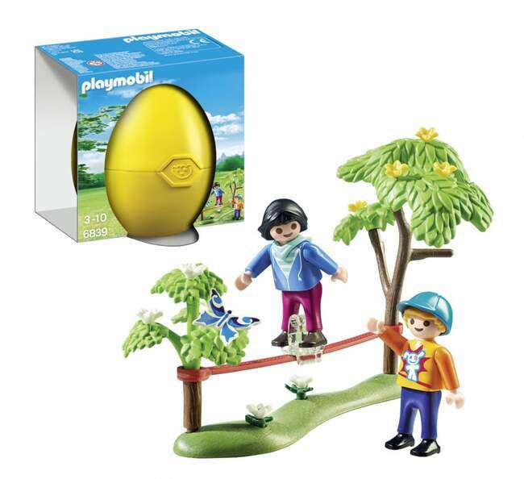 | P6839 | Playmobil Geel ei kinderen met slackline 13x13cm | 10 | 1,860 | 17.36 € | 32,289.60 € | 4008789068392 | https://www.cultura.com/p-enfants-equilibristes-playmobil-6839-4008789068392.html
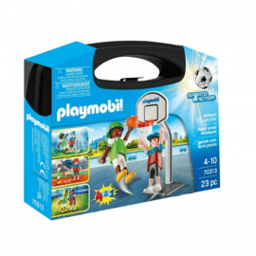 | P70313 | Playmobil Sports & Action 4 in 1 Multisport Koffer 20x25cm | 4 | 618 | 17.88 € | 11,049.84 € | 4008789703132 | https://www.cdiscount.com/juniors/figurines/playmobil-70313-sport-action-valisette-multisport/f-1206740-pla4008789703132.html?idOffre=4275758341&sv1=affiliate&sv_campaign_id=741325&awc=6948_1762938244_e5440ad3a42aee1887a50a2770a952fb&cid=affil&cm_mmc=zanoxpb-_-741325
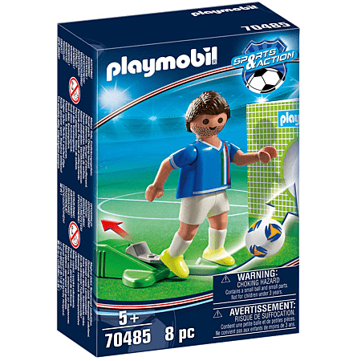 | P70485 | Playmobil Sports & Action Speler Italie 9,5x14,5cm | 6 | 7,317 | 14.69 € | 107,486.73 € | 4008789704856 | https://www.e.leclerc/fp/joueur-italien-4008789704856?srsltid=AfmBOooUFpN9sJnCrGvYxpnBLhivUFmDqJek5V0Zjiq6HCKkYYAC2-S-
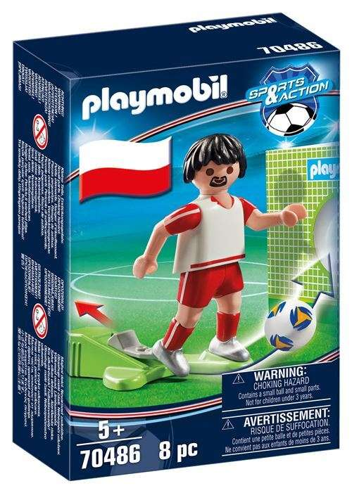 | P70486 | Playmobil Sports & Action Speler Polen 9,5x14,5cm | 6 | 3,061 | 18.26 € | 55,893.86 € | 4008789704863 | https://www.fnac.com/Playmobil-Sports-et-Action-70486-Joueur-Polonais/a14022850/w-4
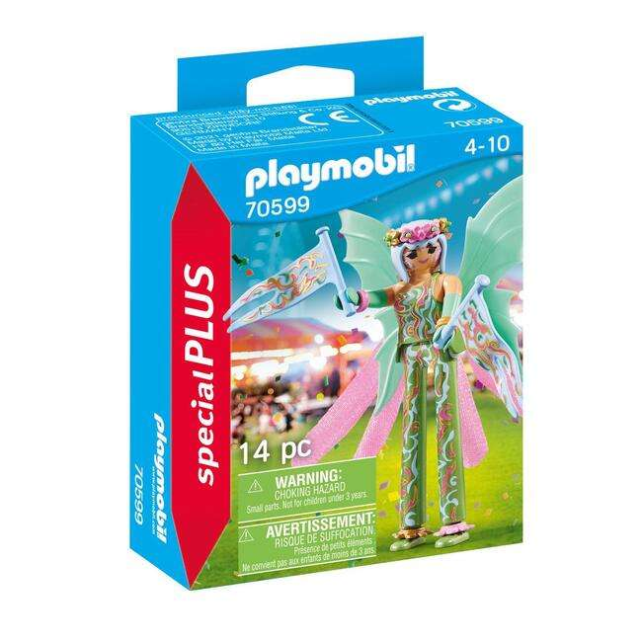 | P70599 | Playmobil Steltenloper Fee 9,5x12cm | 5 | 354 | 10.50 € | 3,717.00 € | 4008789705990 | https://www.cultura.com/p-fee-geante-playmobil-special-plus-70599-4008789705990.html
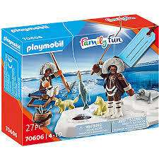 | P70606 | Playmobil Ijsvisser 14x19cm | 8 | 98 | 24.15 € | 2,366.70 € | 4008789706065 | https://www.carrefour.fr/p/playmobil-familyfun-70606-jouet-de-construction-4008789706065?s=3155
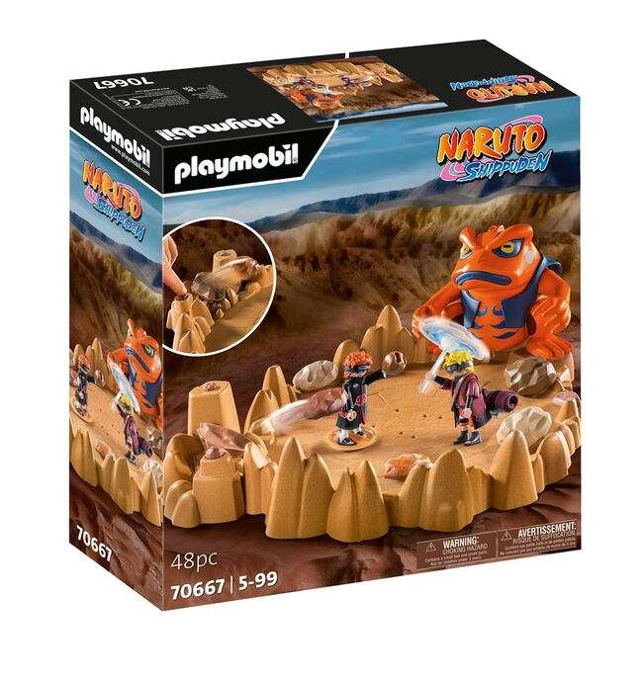 | P70667 | Playmobil Naruto Shippuden Naruto vs. Pain 35x38cm | 2 | 275 | 64.99 € | 17,872.25 € | 4008789706676 | https://www.king-jouet.mq/jeu-jouet/Jeux-imitation-mondes-imaginaires/playmobil/ref-4008789706676.htm
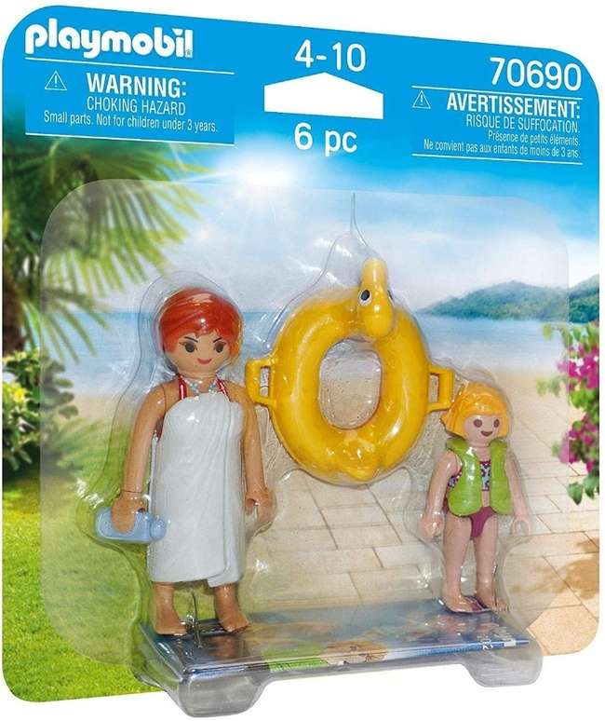 | P70690 | Playmobil Duopack Waterpark Badgasten 15x15cm | 6 | 766 | 12.28 € | 9,406.48 € | 4008789706904 | https://www.fnac.com/Playmobil-Duo-70690-Baigneurs-du-parc-aquatique/a16478754/w-4
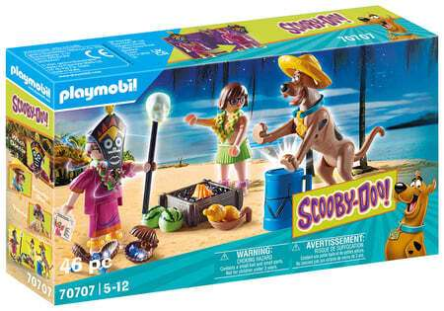 | P70707 | Playmobil Scooby-Doo! Avontuur met Witch Doctor 14,5x24,5cm | 8 | 1,633 | 19.90 € | 32,496.70 € | 4008789707079 | https://www.millejouets.fr/accueil/25929-playmobil-70707-scooby-doo-scooby-doo-avec-le-sorcier-4008789707079.html
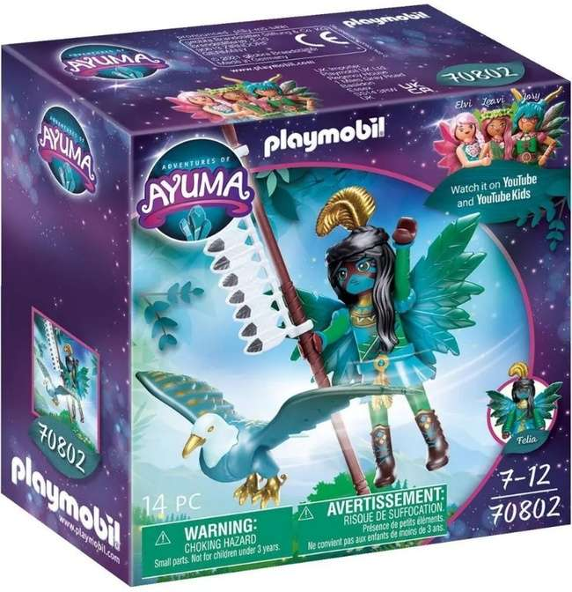 | P70802 | Playmobil Adventures of Ayuma Knight Fairy met totemdier 14x14cm | 5 | 1,017 | 21.40 € | 21,763.80 € | 4008789708021 | https://friandiz.com/shop/fr/p/14975-playmobil-70802-fee-gardienneanimal-enchante-4008789708021.html
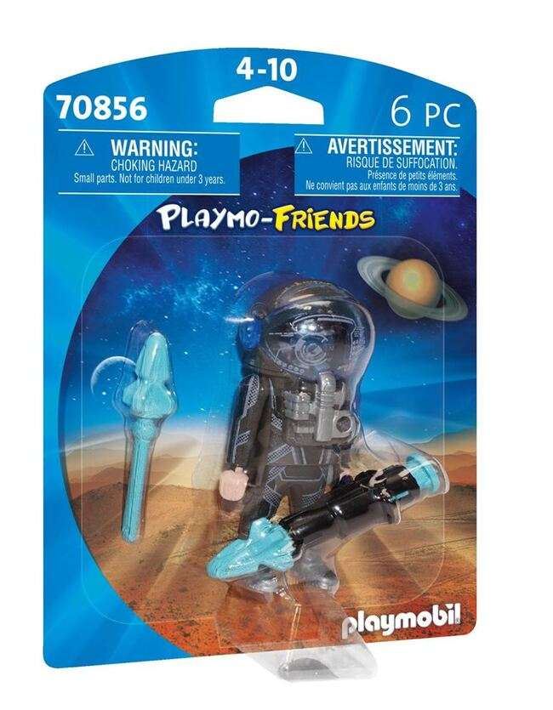 | P70856 | Playmobil Space Ranger 12x16cm | 6 | 670 | 11.90 € | 7,973.00 € | 4008789708564 | https://www.fnac.com/Playmobil-Playmo-Friends-70856-Ranger-de-l-espace/a16478843/w-4
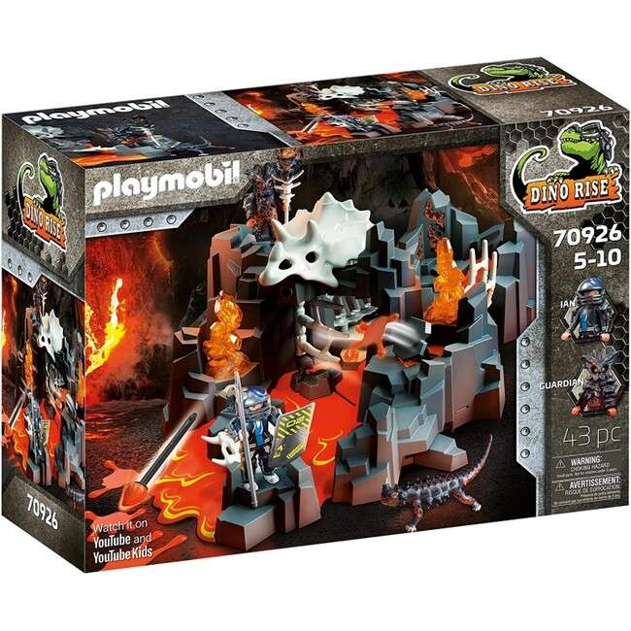 | P70926 | Playmobil Dino Rise Guardian of the Lava Mine 38x51,5cm | 1 | 9 | 93.00 € | 837.00 € | 4008789709264 | https://www.joueclub.fr/jeux-de-constructions-maquettes/gardien-de-la-mine-de-lave-70926-4008789709264.html
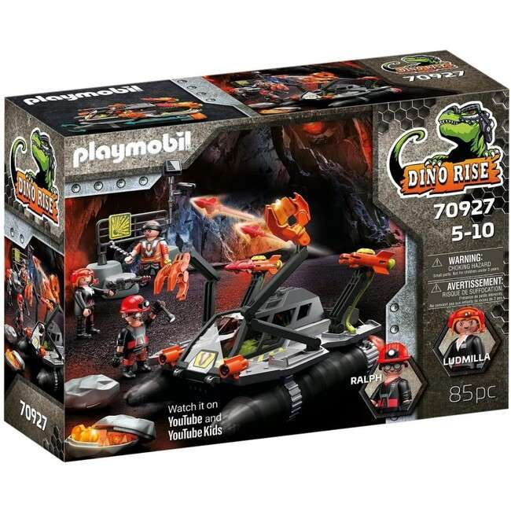 | P70927 | Playmobil Dino Rise Comet Corp Demolition Drill 28x38cm | 2 | 52 | 86.90 € | 4,518.80 € | 4008789709271 | https://www.millejouets.fr/accueil/29989-playmobil-70927-dino-rise-navette-de-demolition-de-la-comet-corp-4008789709271.html
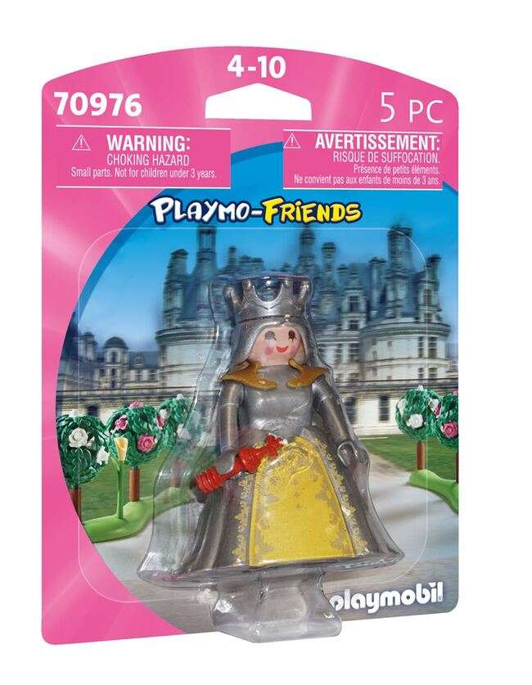 | P70976 | Playmobil Koningin 12x16cm | 6 | 203 | 38.75 € | 7,866.25 € | 4008789709769 | https://www.fnac.com/Playmobil-Playmo-Friends-70976-Reine/a18080925/w-4
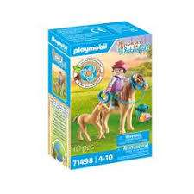 | P71000 | Playmobil Country 2 IJslandse pony's met veulens | 6 | 1,066 | 16.99 € | 18,111.34 € | 4008789710000 | https://friandiz.com/shop/en/p/15099-playmobil-71000-2-poneys-islandais-et-poulains-4008789710000.html
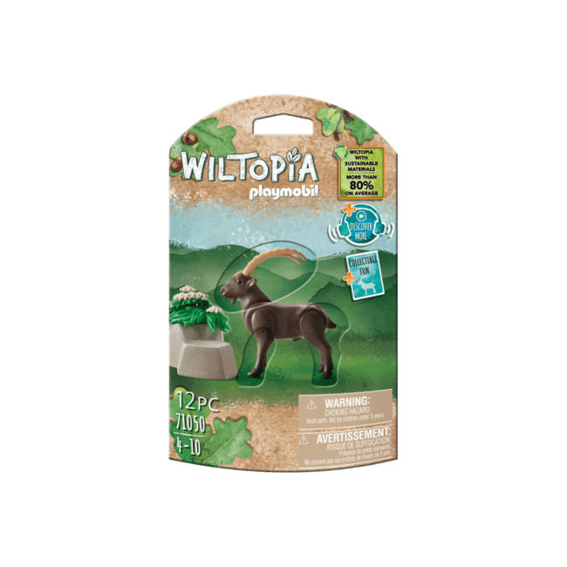 | P71050 | Playmobil Wiltopia Steenbok 9x18,5cm | 4 | 3,587 | 15.50 € | 55,598.50 € | 4008789710505 | https://www.carrefour.fr/p/bouquetin-wiltopia-71050-playmobil-4008789710505
 | P71060 | Playmobil Wiltopia Panda | 4 | 336 | 11.50 € | 3,864.00 € | 4008789710604 | https://www.but.fr/produits/4008789710604/Wiltopia-71060-Panda.html
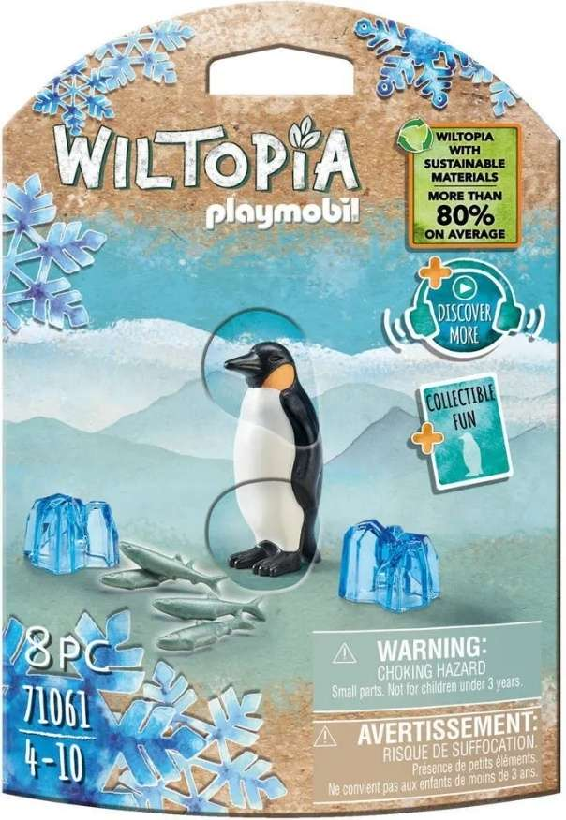 | P71061 | Playmobil Wiltopia Keizerspinguin 9,5x17cm | 4 | 2,847 | 16.85 € | 47,971.95 € | 4008789710611 | https://www.but.fr/produits/4008789710611/71061-Le-Manchot-Empereur.html
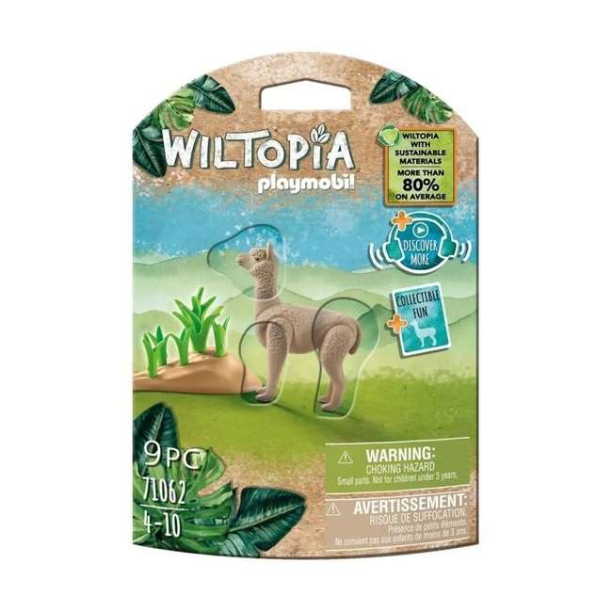 | P71062 | Playmobil Wiltopia Alpaca 9,5x17cm | 4 | 543 | 15.46 € | 8,394.78 € | 4008789710628 | https://www.carrefour.fr/p/wiltopia-alpaga-4008789710628
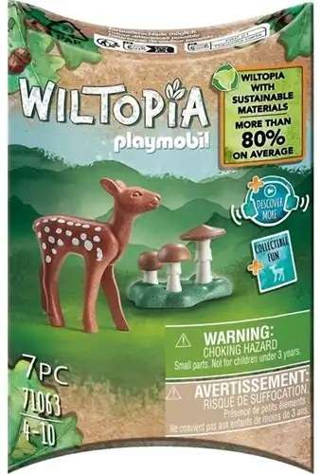 | P71063 | Playmobil Wiltopia Reekalf 7x12cm | 9 | 1,232 | 14.95 € | 18,418.40 € | 4008789710635 | https://www.cultura.com/p-faon-4008789710635.html
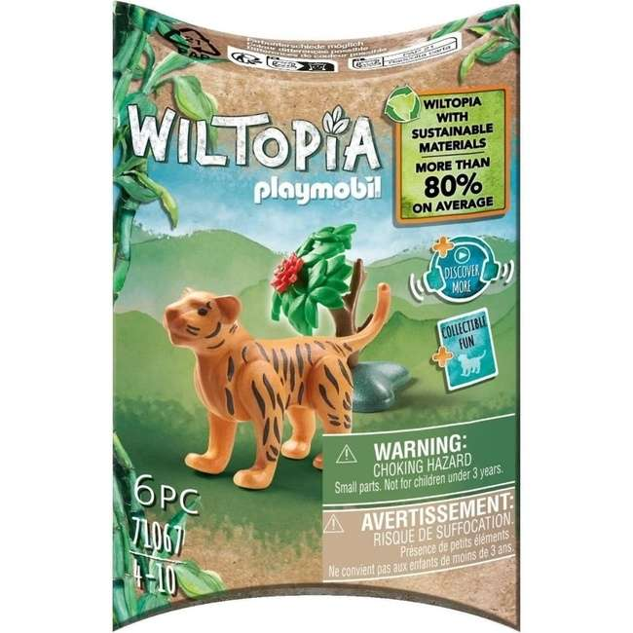 | P71067 | Playmobil Wiltopia Baby tijger 7x12cm | 9 | 2,102 | 10.80 € | 22,701.60 € | 4008789710673 | https://www.carrefour.fr/p/wiltopia-bebe-tigre-4008789710673
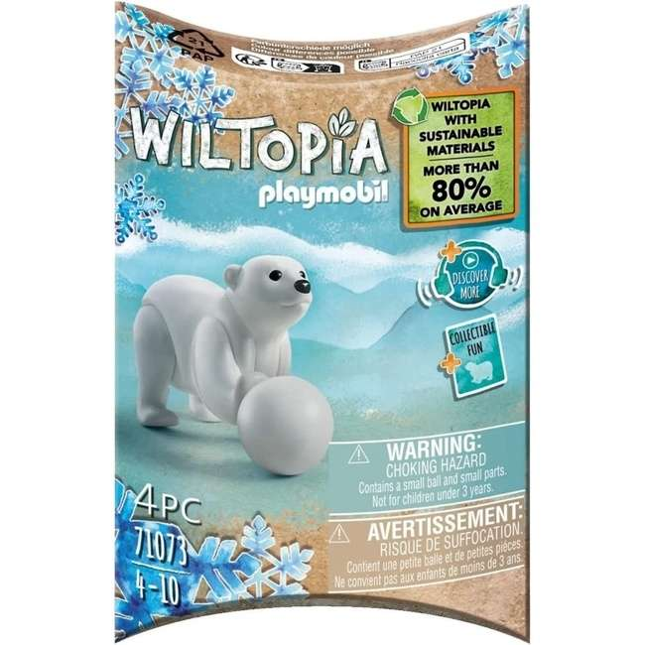 | P71073 | Playmobil Wiltopia Baby ijsbeer 7x12cm | 9 | 2,806 | 10.80 € | 30,304.80 € | 4008789710734 | https://www.carrefour.fr/p/wiltopia-bebe-ours-polaire-4008789710734
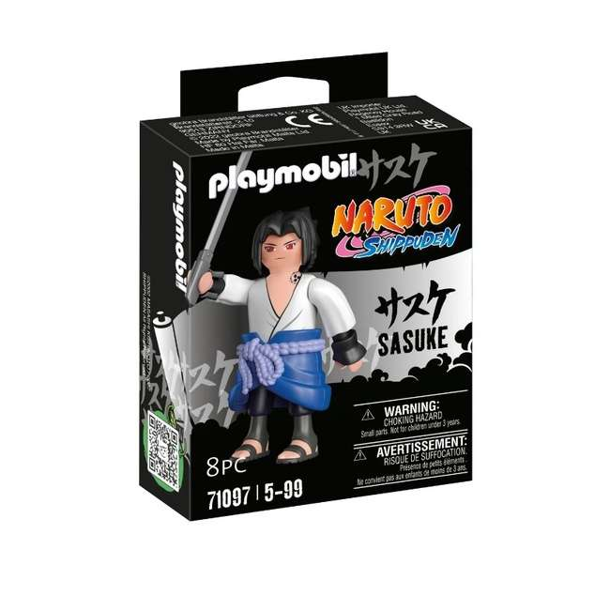 | P71097 | Playmobil Naruto Sasuke 9x12cm | 8 | 445 | 13.65 € | 6,074.25 € | 4008789710970 | https://www.carrefour.fr/p/figurine-sasuke-naruto-shippuden-71097-playmobil-4008789710970
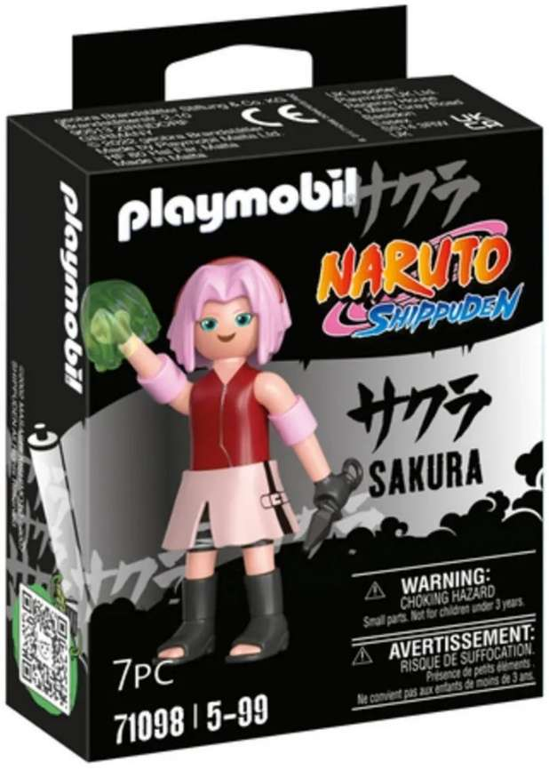 | P71098 | Playmobil Naruto Sakura 9x12cm | 8 | 746 | 13.00 € | 9,698.00 € | 4008789710987 | https://www.e.leclerc/fp/sakura-4008789710987?srsltid=AfmBOorWTg5pVmS9z4Agrz4IOReYL5yG27dtFO71FAbQ40s8VnEnmys2
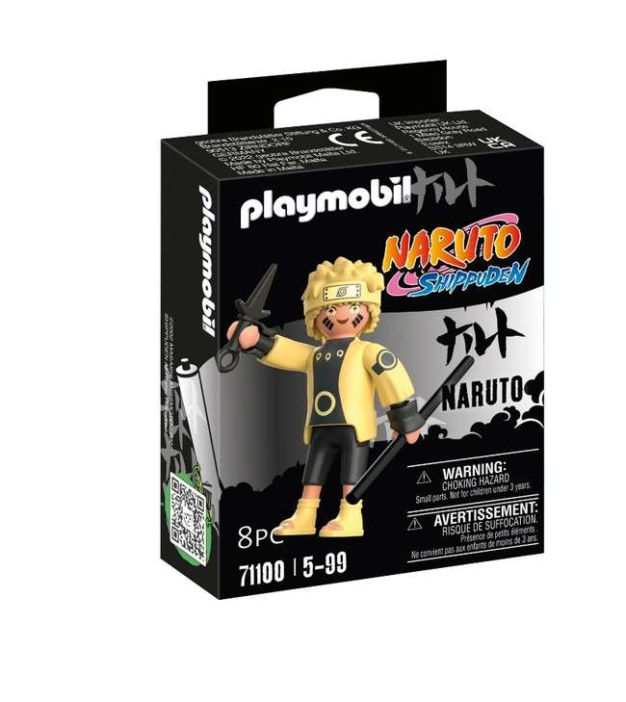 | P71100 | Playmobil Naruto Itachi Sennin Modus 9x12cm | 8 | 765 | 14.09 € | 10,778.85 € | 4008789711007 | https://www.carrefour.fr/p/naruto-rikudo-mode-ermite-playmobil-4008789711007
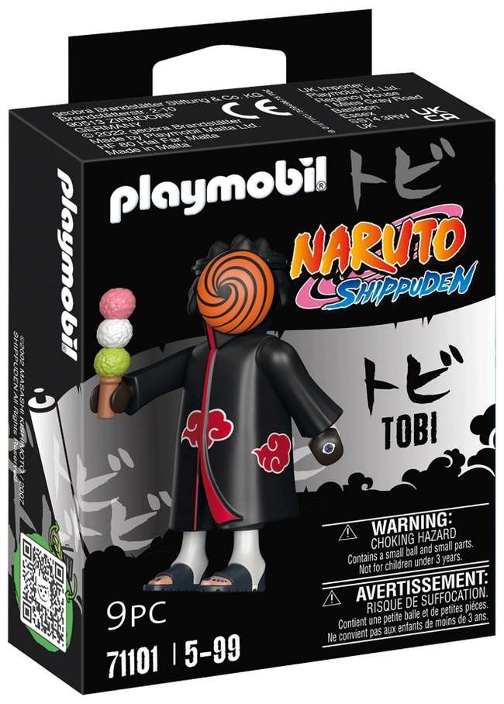 | P71101 | Playmobil Naruto Tobi 9x12cm | 8 | 627 | 11.05 € | 6,928.35 € | 4008789711014 | https://www.carrefour.fr/p/figurine-tobi-playmobil-4008789711014
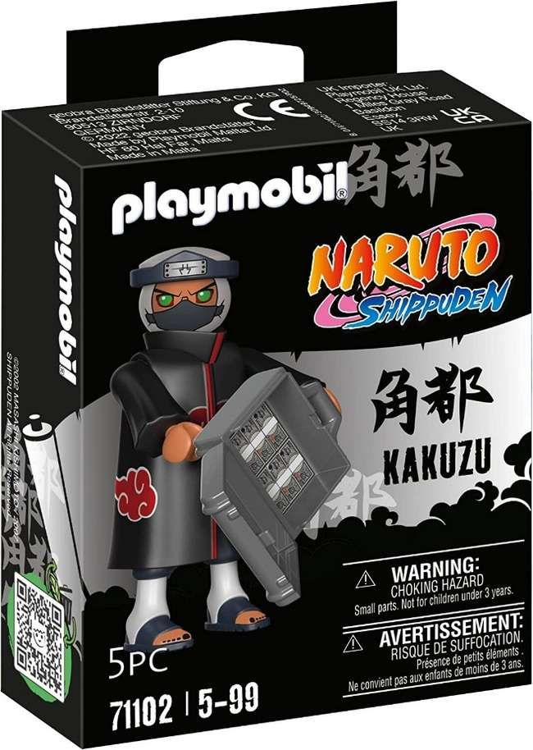 | P71102 | Playmobil Naruto Kakuzo 9x12cm | 8 | 454 | 14.93 € | 6,778.22 € | 4008789711021 | https://www.cultura.com/p-kakuzu-4008789711021.html
 | P71103 | Playmobil Naruto Gaara 9x12cm | 8 | 372 | 14.93 € | 5,553.96 € | 4008789711038 | https://www.cultura.com/p-gaara-4008789711038.html
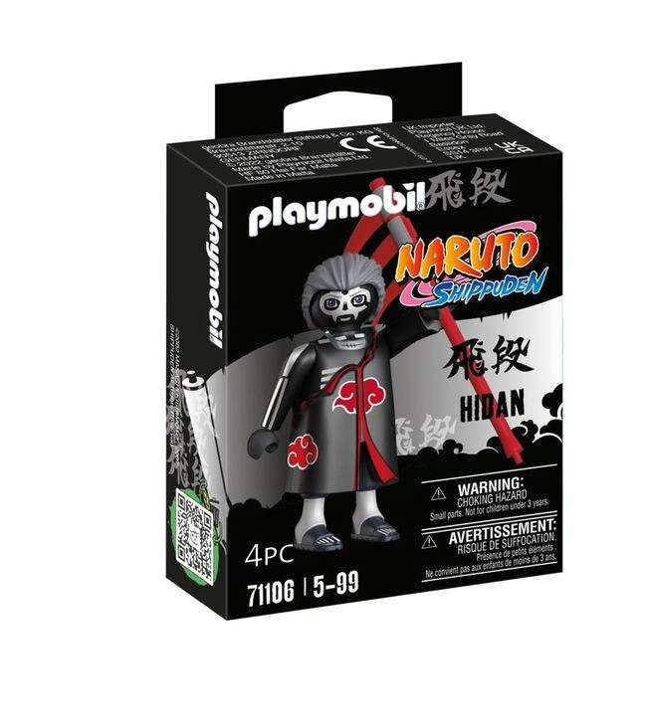 | P71106 | Playmobil Naruto Hidan 9x12cm | 8 | 382 | 13.64 € | 5,210.48 € | 4008789711069 | https://www.fnac.com/Playmobil-71106-Hidan/a16953911/w-4
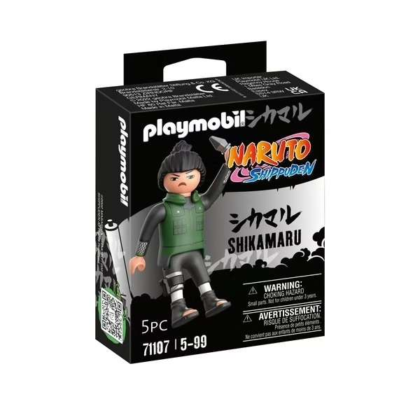 | P71107 | Playmobil Naruto Shikamaru 9x12cm | 8 | 1,052 | 11.00 € | 11,572.00 € | 4008789711076 | https://www.carrefour.fr/p/shikamaru-playmobil-4008789711076
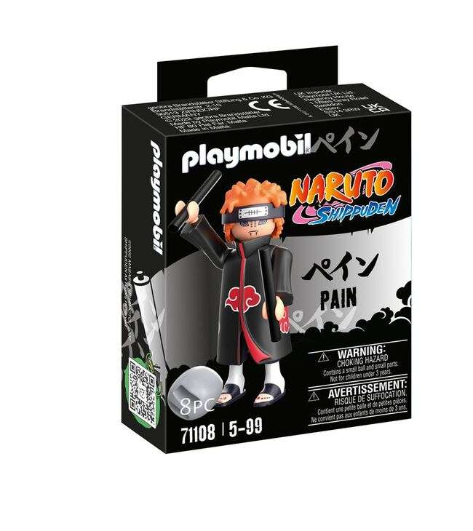 | P71108 | Playmobil Naruto Pain 9x12cm | 8 | 1,175 | 13.50 € | 15,862.50 € | 4008789711083 | https://www.fnac.com/Playmobil-Naruto-71108-Pain/a17586303/w-4
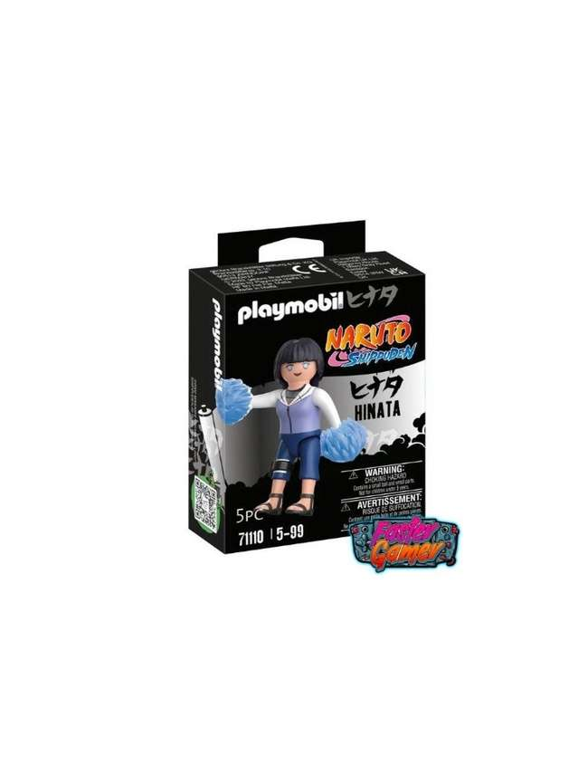 | P71110 | Playmobil Naruto Hinata 9x12cm | 8 | 266 | 15.25 € | 4,056.50 € | 4008789711106 | https://www.but.fr/produits/4008789711106/Naruto-71110-Hinata.html
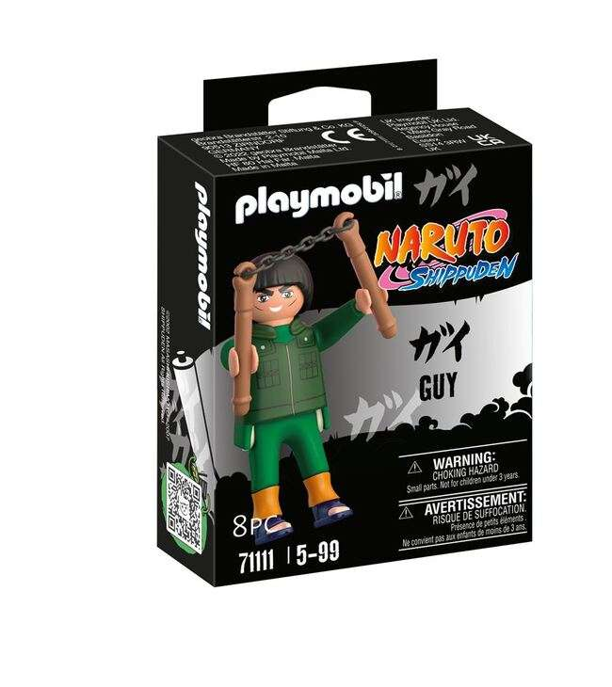 | P71111 | Playmobil Naruto Mighty Guy 9x12cm | 8 | 29 | 9.58 € | 277.82 € | 4008789711113 | https://www.but.fr/produits/4008789711113/Naruto-71111-Gai-Maito.html
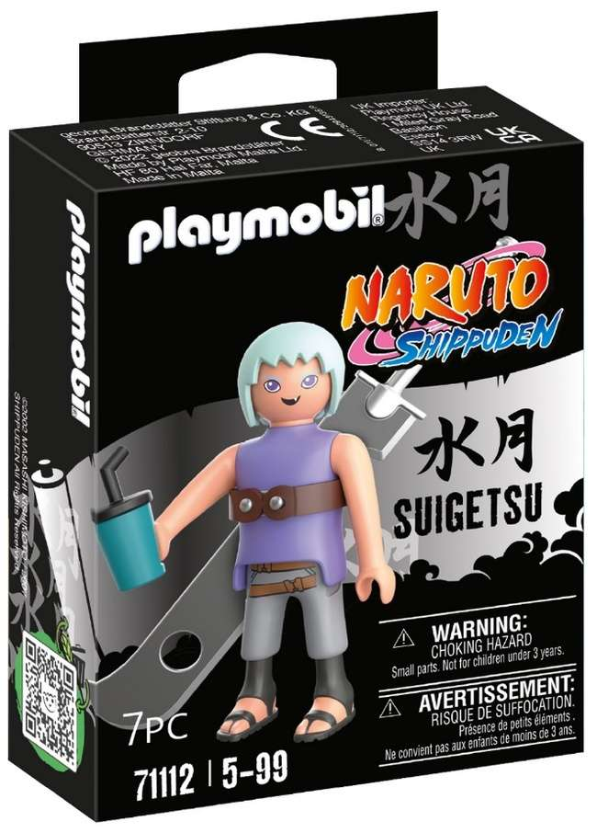 | P71112 | Playmobil Naruto Suigetsu 9x12cm | 8 | 767 | 13.64 € | 10,461.88 € | 4008789711120 | https://www.fnac.com/Playmobil-Naruto-71112-Suigetsu/a17586319/w-4
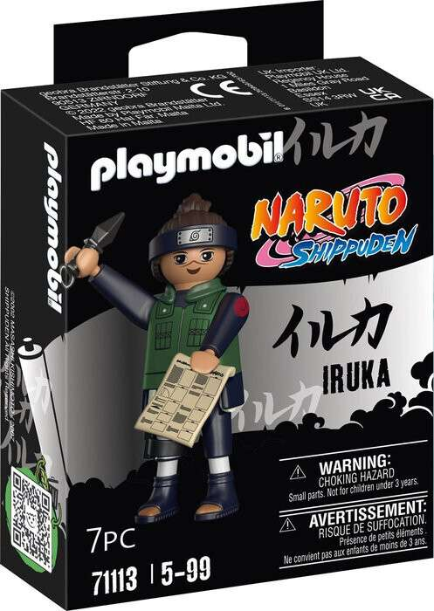 | P71113 | Playmobil Naruto Iruka 9x12cm | 8 | 972 | 14.93 € | 14,511.96 € | 4008789711137 | https://www.cultura.com/p-iruka-4008789711137.html
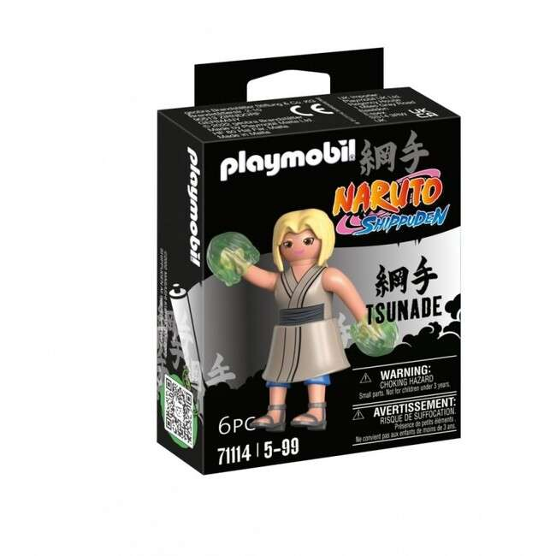 | P71114 | Playmobil Naruto Tsunade 9x12cm | 8 | 766 | 15.30 € | 11,719.80 € | 4008789711144 | https://www.cultura.com/p-tsunade-4008789711144.html
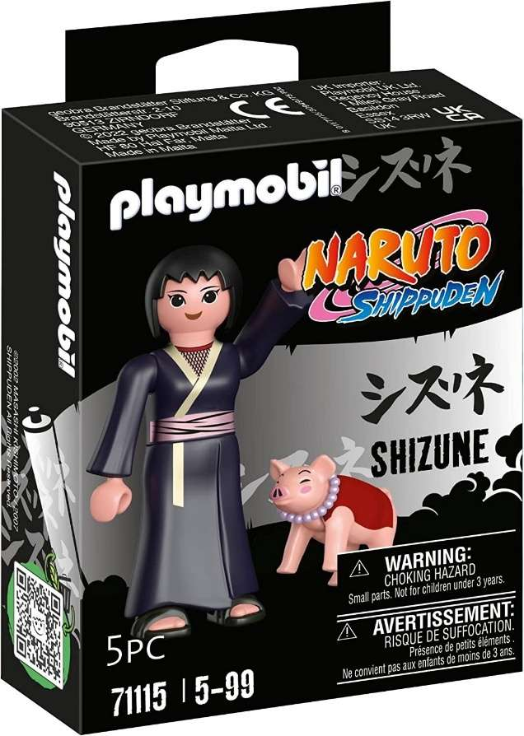 | P71115 | Playmobil Naruto Shizune 9x12cm | 8 | 599 | 14.93 € | 8,943.07 € | 4008789711151 | https://www.cultura.com/p-shizune-4008789711151.html
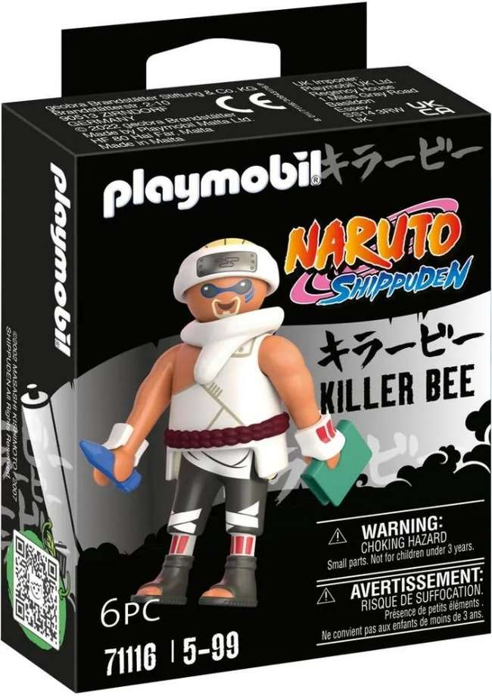 | P71116 | Playmobil Naruto Killer B 9x12cm | 8 | 907 | 14.69 € | 13,323.83 € | 4008789711168 | https://www.carrefour.fr/p/killer-b-playmobil-4008789711168
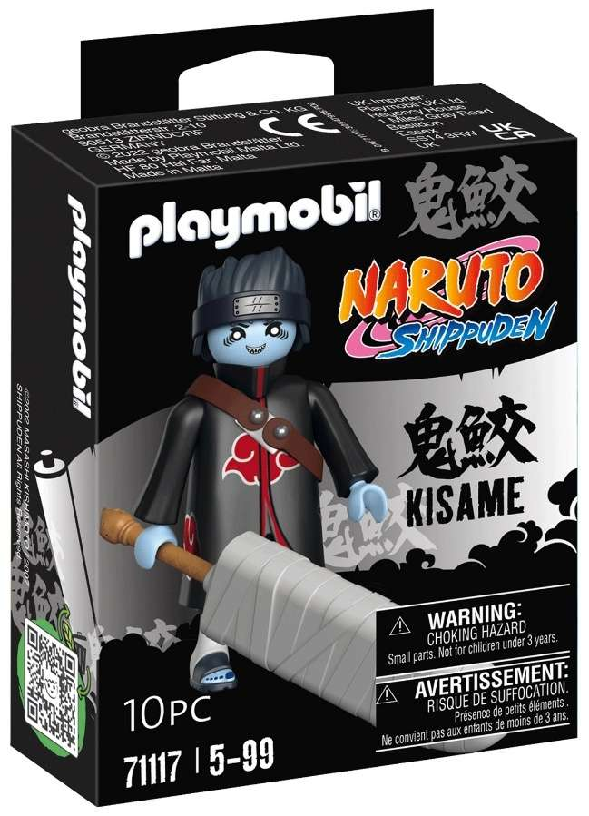 | P71117 | Playmobil Naruto Kisame 9x12cm | 8 | 674 | 13.40 € | 9,031.60 € | 4008789711175 | https://www.fnac.com/Playmobil-71117-Kisame/a16953958/w-4
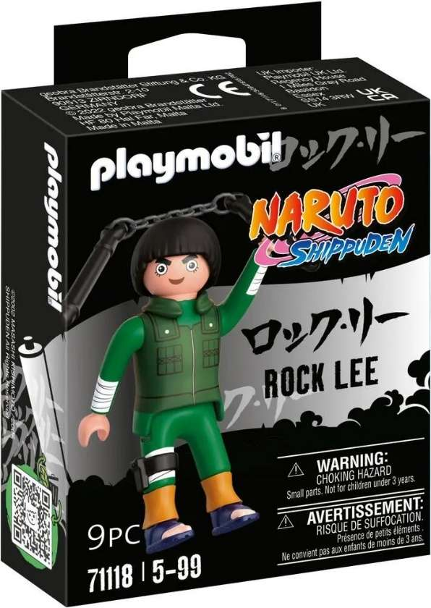 | P71118 | Playmobil Naruto Rock Lee 9x12cm | 8 | 271 | 13.68 € | 3,707.28 € | 4008789711182 | https://www.but.fr/produits/4008789711182/71118-Rock-Lee-Naruto-Shippuden.html
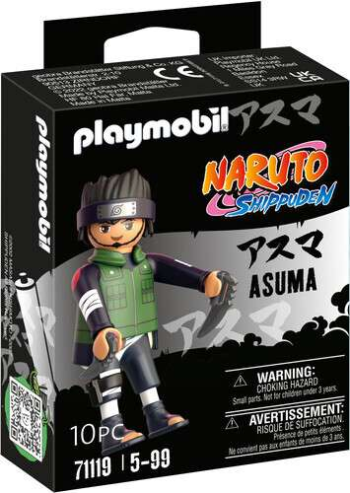 | P71119 | Playmobil Naruto Asuma 9x12cm | 8 | 119 | 13.14 € | 1,563.66 € | 4008789711199 | https://www.carrefour.fr/p/asuma-playmobil-4008789711199
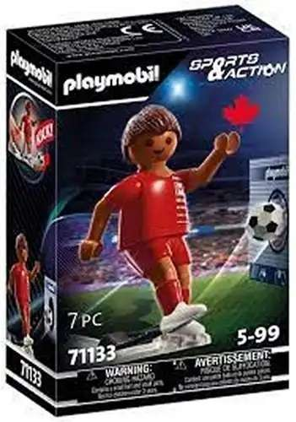 | P71133 | Playmobil Sports & Action Speler Canada 9,5x14,5cm | 6 | 536 | 12.08 € | 6,474.88 € | 4008789711335 | https://www.fnac.es/Playmobil-71133-Sports-et-Action-Jugador-de-Futbol-Canada-Juegos-de-construccion-Playmobil/a9405404
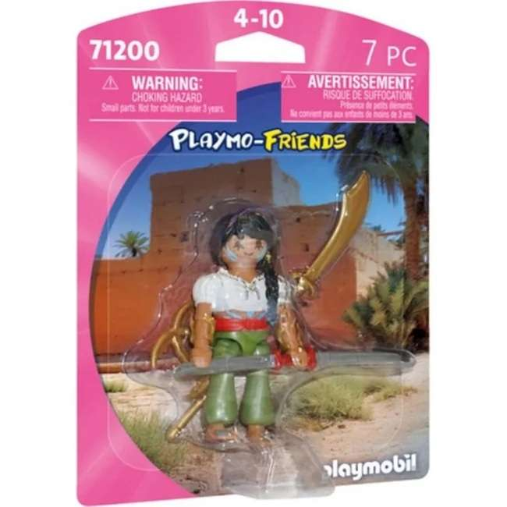 | P71200 | Playmobil Playmo-Friends Vechter 12x16cm | 6 | 8,483 | 13.33 € | 113,078.39 € | 4008789712004 | https://www.laposte.fr/boutique/playmobil-71200-combattante-avec-lance/p/mp-600415732
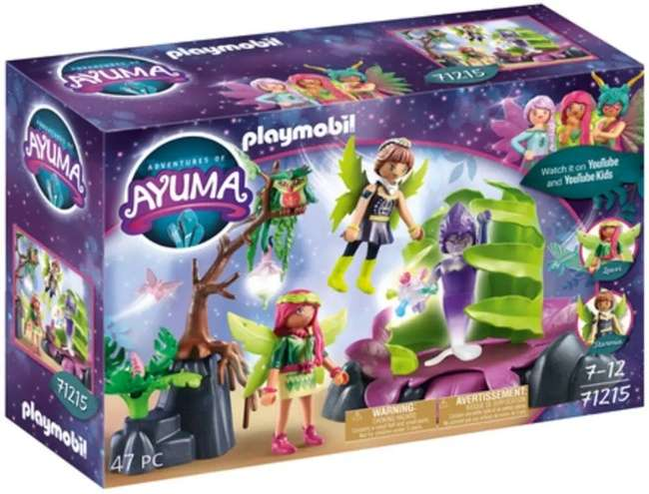 | P71215 | Playmobil Adventures of Ayuma Mistval 18,5x28cm | 4 | 124 | 22.06 € | 2,735.44 € | 4008789712158 | https://www.e.leclerc/fp/plante-piege-magique-4008789712158?srsltid=AfmBOoq8kxVR4easm296FXnSTJGVGy5nQCsS-bXIN6mBa_ruIooe_GUr
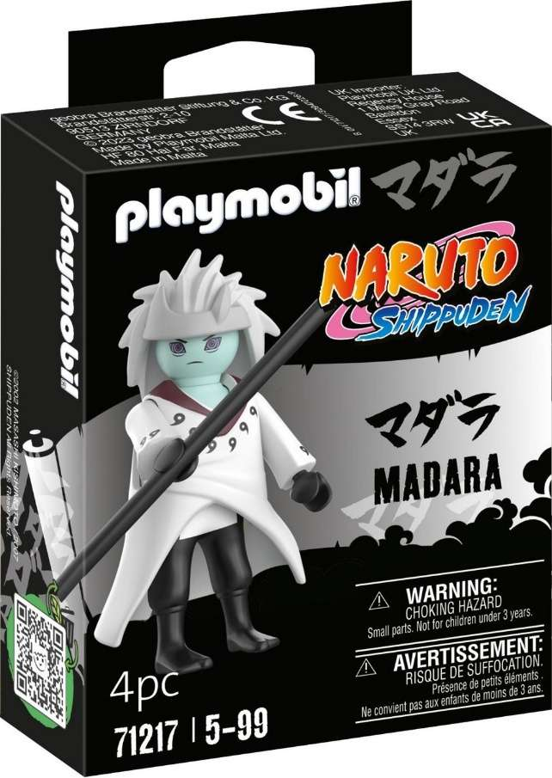 | P71217 | Playmobil Naruto Madara Rikudou Sennin Modus 9x12cm | 8 | 657 | 16.23 € | 10,663.11 € | 4008789712172 | https://www.fnac.com/Playmobil-Naruto-Shippuden-71217-Madara-Rikudo-Sennin-Mode/a18859227/w-4
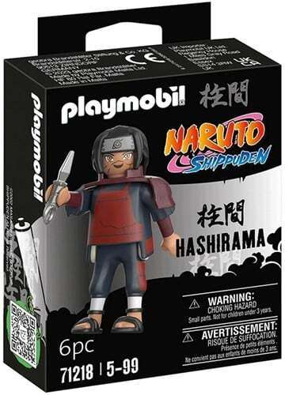 | P71218 | Playmobil Naruto Hashirama 9x12cm | 8 | 988 | 16.23 € | 16,035.24 € | 4008789712189 | https://www.fnac.com/Playmobil-Hashirama-71218-Naruto/a18859191/w-4
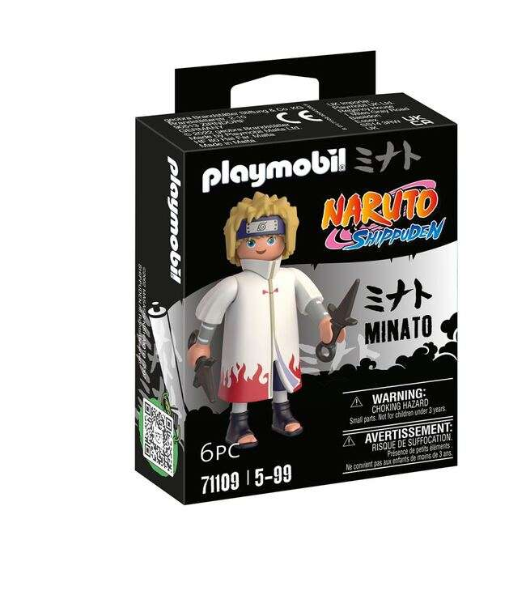 | P71219 | Playmobil Naruto Jiraya 9x12cm | 8 | 203 | 14.67 € | 2,978.01 € | 4008789712196 | https://www.fnac.com/Playmobil-Naruto-71219-Jiraya/a18859245/w-4
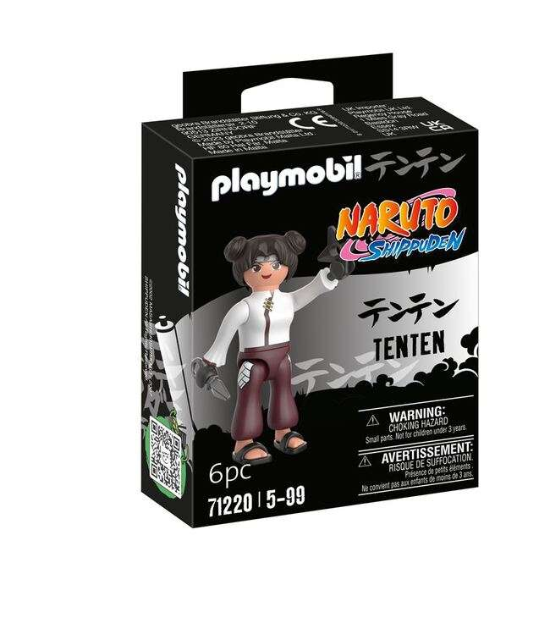 | P71220 | Playmobil Naruto Tenten 9x12cm | 8 | 1,037 | 16.23 € | 16,830.51 € | 4008789712202 | https://www.fnac.com/Playmobil-Naruto-71220-Tenten/a18859209/w-4
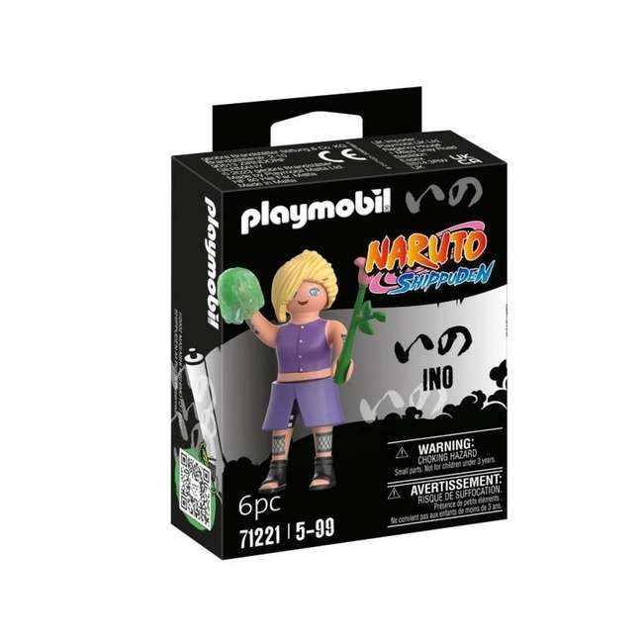 | P71221 | Playmobil Naruto Ino 9x12cm | 8 | 1,060 | 14.77 € | 15,656.20 € | 4008789712219 | https://www.carrefour.fr/p/71221-ino-naruto-shippuden-des-5-ans-4008789712219
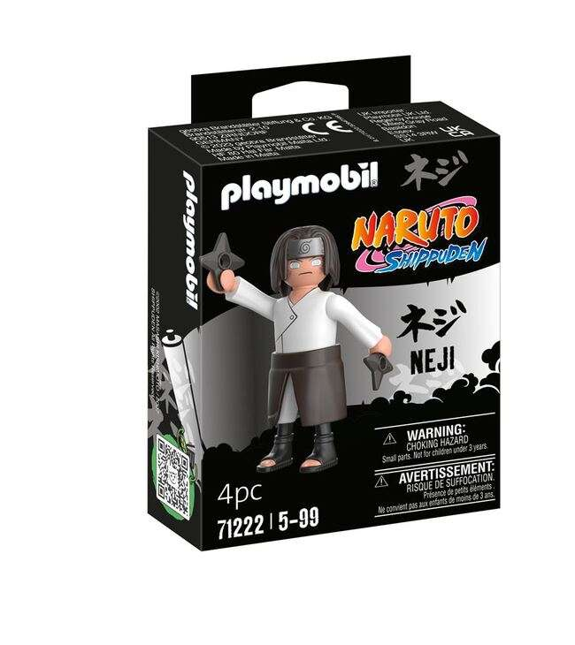 | P71222 | Playmobil Naruto Neji 9x12cm | 8 | 705 | 16.23 € | 11,442.15 € | 4008789712226 | https://www.fnac.com/Playmobil-Neji-71222-Naruto/a18859192/w-4
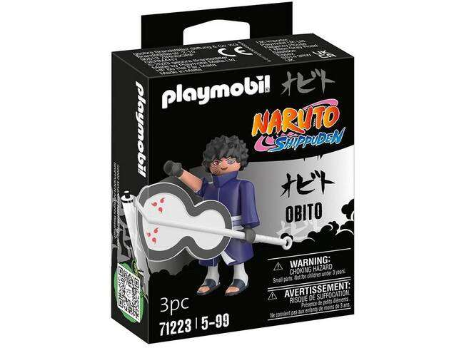 | P71223 | Playmobil Naruto Obito 9x12cm | 8 | 1,111 | 14.87 € | 16,520.57 € | 4008789712233 | https://www.carrefour.fr/p/obito-naruto-playmobil-pll71223-4008789712233
 | P71224 | Playmobil Naruto Sasori 9x12cm | 8 | 1,081 | 12.99 € | 14,042.19 € | 4008789712240 | https://www.carrefour.es/playmobil-71224-sasori/4008789712240/p
 | P71225 | Playmobil Naruto Kankuro 9x12cm | 8 | 449 | 17.99 € | 8,077.51 € | 4008789712257 | https://www.fnac.com/Playmobil-Naruto-71225-Kankuro/a18853854/w-4
 | P71227 | Playmobil Naruto Hiruzen 9x12cm | 8 | 886 | 16.23 € | 14,379.78 € | 4008789712271 | https://www.fnac.com/Playmobil-Hiruzen-71227-Naruto/a18859193/w-4
 | P71228 | Playmobil Naruto Nagato Edo Tensei 9x12cm | 8 | 1,113 | 14.94 € | 16,628.22 € | 4008789712288 | https://www.laposte.fr/boutique/figurine-playmobil-naruto-nagato-avec-rinnegan-personnage-collectible/p/mp-600207157
 | P71302 | PLAYMOBIL Novelmore Dario met Gereedschap 9x12cm | 8 | 2,815 | 13.39 € | 37,692.85 € | 4008789713025 | https://www.carrefour.fr/p/dario-et-outils-playmobil-4008789713025
 | P71350 | Playmobil Adventures of Ayuma figuren 2-Pack Forest Fairy +Bat Fairy met dieren 14x4cm | 9 | 2,001 | 16.83 € | 33,676.83 € | 4008789713506 | https://www.auchan.fr/playmobil-set-de-jeu-playmobil-fees-ayuma-multicolore/pr-a7c0bedf-98d8-4b7e-94c2-f959d7d96674
 | P71447 | Playmobil Novelmore Ridder Verjaardag Gift Set 14x24,5cm | 4 | 18 | 22.06 € | 397.08 € | 4008789714473 | https://www.fnac.com/mp50125711/Novelmore-Chevalier-et-decorations-de-fete/w-4
 | P71450 | Playmobil My Life Onderzoekers met robots Gift Set 14x24,5cm | 4 | 339 | 19.84 € | 6,725.76 € | 4008789714503 | https://www.carrefour.fr/p/chercheurs-robots-playmobil-pll71450-4008789714503
 | P71558 | Playmobil Naruto Choji 9x12cm | 8 | 319 | 40.72 € | 12,989.68 € | 4008789715586 | https://www.auchan.fr/playmobil-playmobil-71558-choji/pr-21830c0a-ac67-4d14-8fa8-a55ada59cedf
 | P71563 | Playmobil Naruto Sai 9x12cm | 8 | 363 | 36.41 € | 13,216.83 € | 4008789715630 | https://www.auchan.fr/playmobil-playmobil-71563-sai/pr-c035c022-7e02-4fc6-8f14-71d2a3d88bd6
 | P71568 | Playmobil Naruto Kabuto 9x12cm | 8 | 220 | 17.13 € | 3,768.60 € | 4008789715685 | https://www.fnac.com/mp50792675/Figurine-71568-Kabuto/w-4
 | P71662 | Playmobil DFB Stars Mats Hummels 9x12cm | 8 | 1,176 | 12.45 € | 14,641.20 € | 4008789716620 | https://www.speelgoedwinkel.nl/product/playmobil-71662-duitse-voetballer-dfb-stars-mats-hummels-320861.html
 | P71663 | Playmobil DFB Stars Niklas Süle 9x12cm | 8 | 1,270 | 12.95 € | 16,446.50 € | 4008789716637 | https://www.kaufland.fr/product/499263170/
 | P71664 | Playmobil DFB Stars Antonio Rüdiger 9x12cm | 8 | 1,254 | 11.99 € | 15,035.46 € | 4008789716644 | https://www.ebay.com/itm/167282332039
 | P71665 | Playmobil DFB Stars Matthias Ginter 9x12cm | 8 | 1,292 | 19.00 € | 24,548.00 € | 4008789716651 | https://www.ebay.de/itm/145859390788?srsltid=AfmBOooR2bkBki3rVpK8sPglsmQ3hp9_lH7rKpONQtKRYTKyIkx3ZHd8
 | P71666 | Playmobil DFB Stars Robin Gosens 9x12cm | 8 | 1,268 | 12.50 € | 15,850.00 € | 4008789716668
 | P71667 | Playmobil DFB Stars Jonas Hoffmann 9x12cm | 8 | 1,280 | 12.50 € | 16,000.00 € | 4008789716675 | https://www.fnac.com/CLAIRFTN-MINUSCULE-POT-A-CRAYONS/a2852874/w-4
 | P71668 | Playmobil DFB Stars Ilkay Gündogan 9x12cm | 8 | 1,140 | 12.50 € | 14,250.00 € | 4008789716682 | https://www.bol.com/be/fr/p/playmobil-71668-footballeur-allemand-dfb-stars-ilkay-gundogan/9300000236316476/
 | P71670 | Playmobil DFB Stars Kai Havertz 9x12cm | 8 | 1,142 | 19.00 € | 21,698.00 € | 4008789716705 | https://www.ebay.com/itm/145859466920
 | P71674 | Playmobil DFB Stars Leroy Sané 9x12cm | 8 | 1,180 | 12.50 € | 14,750.00 € | 4008789716743 | https://www.amazon.co.uk/PLAYMOBIL-Stars-Player-Figures-Choose/dp/B0D5S7BZRH
 | P71675 | Playmobil DFB Stars Julian Brandt 9x12cm | 8 | 2,809 | 12.95 € | 36,376.55 € | 4008789716750 | https://www.kaufland.fr/product/500417603/
 | P71676 | Playmobil DFB Stars Niclas Füllkrug 9x12cm | 8 | 1,114 | 12.95 € | 14,426.30 € | 4008789716767 | https://www.kaufland.fr/product/500417598/
 | S55599 | Schmidt Playmobil Puzzle-Box 2 x 60, 2 x 100 delig in metalen koffer 21x27,5cm | 6 | 604 | 23.90 € | 14,435.60 € | 4001504555993 | https://76distri.com/produit/playmobil-4-puzzles/?srsltid=AfmBOorh76lyHzNdMTWmdNOoiicPjgMdjNl8A5K_XPDMLzNKlGoT_Le_
TOTAL PLAYMOBIL |  |  |  | 85,032 | 15.27 € | 1,298,588.58 €

